Sheet1
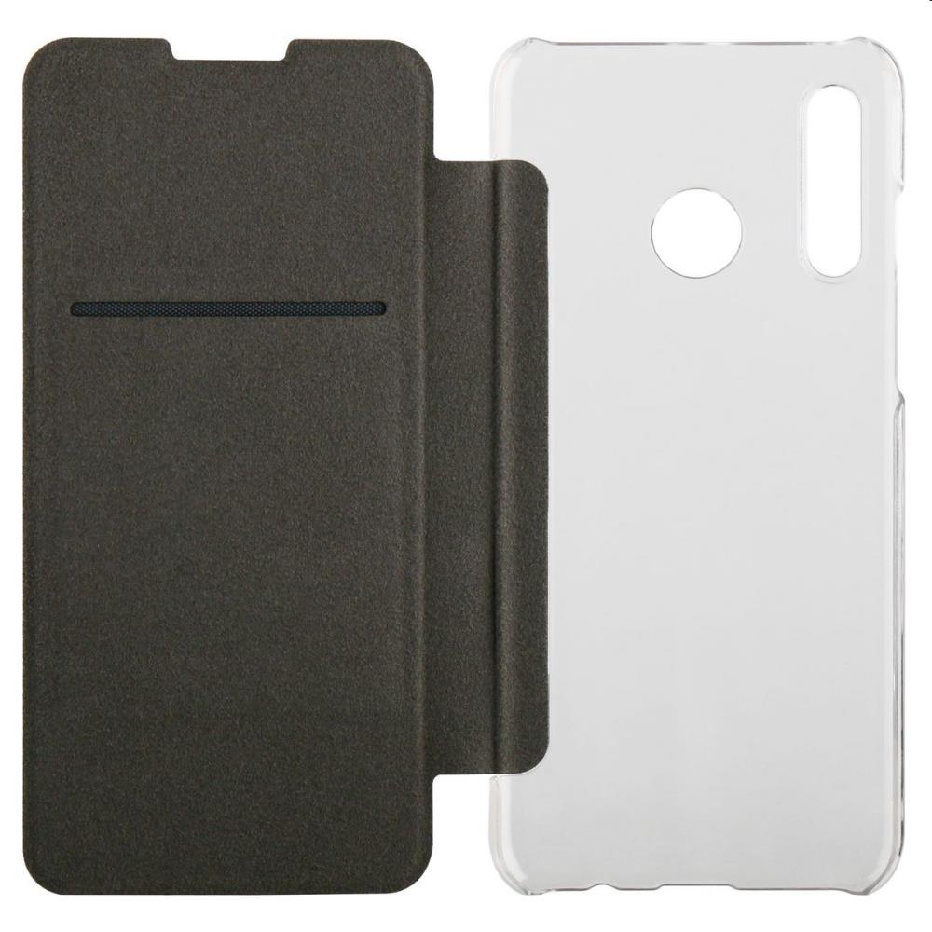
Picture | Item code | Description | Extra information | Restriction | Stock | Sales price EXW | Retail price | Barcode | Quantity PU | Quantity pallet | Pallet | Origin | Customs code | Item weight | Languages on package | Group
 | S-09280 | Qilive , Huawei cover folio P30 LITE 2019 | 144504 |  | 1675 | 0.39 | 19.9 | 3245676705461 |  |  |  |  | 3926909790 | 0 |  | Qilive

